STEP 2 Journey Mapping
 |  | brought to you by your friends at
Step 2:

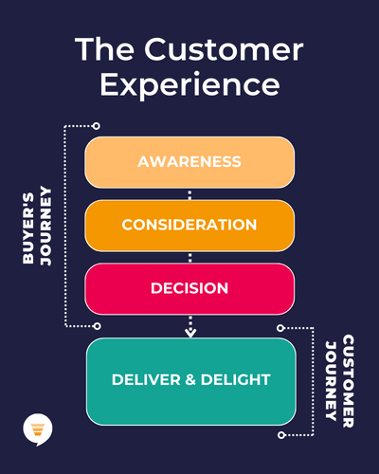
Your Brand Promise: |  | Notes
add your Buyer's Journey Map here |  | feel free to take notes here
add your Customer Journey Map here

use these templates (from our friends at HubSpot) to document your Buyer's & Customer's Journeys so you have a clear picture of the touchpoints where you need to be delivering on your brand promise | 🖇️ A refresher on the difference between Buyer's and Customer's Journey

 | 💡 KEEP YOUR BRAND PROMISE TOP OF MIND

Get HubSpot's Templates | add your brand promise here...

